INTRO Data Anlaysis
Strategic Financial Analysis & Modeling |  |  |  |  | © All rights reserved, 2019, Marianne Wolk & Richard Horwitz
Section: Data Analysis
Workbook 2: Data Analysis
Sheet: INTRO Data Anlaysis

SHEET ROADMAP
The Tutorial includes the material up to Row 403 and will not contribute to your grade.
The Homework starting in Row 405 is Required.

What does the Explosion in Data Mean for Financial Analysts?
In Part I Review (Workbook 1), we discussed the current environmnet of ubiquitous computing, interconnected devices and an explosion of data — Disruptive Digitization.
Data has become the 'raw material' of a digital world and financial analysis has become the 'market makers' and 'strategists' of this world.
IDC estimates data will grow from 33 zettabytes in 2018 to 175 zettabytes by 2025.
Data analysis has become a critical skill in this data rich and complex world.
Analysts has evolved from being the 'bean counters' to the 'strategists' and 'market makers'.
All analysts will encounter data in small quantities but, also, increasingly larger data sets.
Financial analysts are not required to be data scientists, programmers or other tech experts, but they and most other analysts benefit
by understanding the roles these people play in achieving the strategic goals of the organization.
Below we introduce the concept and tools of data analysis spanning from the most commonly used by financial analysts to the specialized
tools utilized by data scientists.
Reinsel, David, Gantz, John, Rydning, John. "The Digitization of the World from Edge to Core." IDC (2018).
https://www.seagate.com/files/www-content/our-story/trends/files/idc-seagate-dataage-whitepaper.pdf

What is the Difference Between Financial, Data and Strategic Analysis

Data Analysis is a building block in this course in financial analysis.

 | EXHIBIT: DATA AND DATA ANALYSIS IS INTEGRAL TO FINANCIAL ANALYSIS
Strategy
 | Source: Marianne Wolk & Richard Horwitz

Financial analysts generally drill down to a specific company, business or activity.
Financial analysts focus on a specific company, business or activity, applying historical results to forecast future results.
Data analysts generally explore relationships across a universe of companies, businesses, or activities.
Data analysts generally apply statistical analyses across data to synthesize relationships.
Strategic analysts perform fundamental business analysis to develop an outlook for a company, industry, business or activity.
Each of the three types of analysts often apply the skills of the other two in their work.

What is Data Analysis?
Data analysis relies on logic and tools to extract relationships and meaning from sets of data.
These relationships often exist over time (trend analysis) or across entities (comparables analysis).
It is performed to find useful information to form the insights and conclusions needed for superior decision-making.
Some analyses are more descriptive where others are more predictive but the goal is always to examine, evaluate and interpret the data.

 | EXHIBIT: THE GOALS OF DATA ANALYSIS
 | Find relationships among data elements
 | Create meaningful segments and subsets of a broader universe based on behaviors
 | Understand causality
 | Identify statistical trends and relationships
 | Facilitate predictions
 | Source: Marianne Wolk & Richard Horwitz

Descriptive Analyses
Descriptive analyses include cleansing and organizing data elements, compiling and transforming the elements into data sets.
Analysts place data in broad universes into logical groups and define the relationships between the resulting groups.
Analysis is used to give context to specific information by examining it relative to a broader set of data.
This is quite common for Financial Analysts.

Predictive Analyses
Predictive analyses rely on statistical and other tools to estimate future behavior based on past data relationships.
Predictive analyses use history to explore and identify causal relationships.
The assumption is that historic behaviors will persist and will therefore predict future behavior.
Examples include creating sales forecasts or assessing risks.
This is quite common for Financial Analysts.

Diagnostic Analyses
These analyses are generally used for problem resolution in order to discover why events happened.
Diagnostic analyses enable users to drill down to discover connections between data and identify patterns.
This generally requires functionality to properly align the data with statistical tools to measure and validate causal relationships.
This is less frequently the domain of the Financial Analyst.

Prescriptive Analyses
At the forefront of data analysis, prescriptive analyses attempt to drive strategic decisions.
For example, Artificial Intelligence (AI) may be used to alter business processes.
While strategic analysis is common for Financial Analysts, Artificial Intelligence applications are not.

 | EXHIBIT: EXAMPLES OF DATA ANALYSIS
 | Political candidates tap databases to target potential voters with the issues they care about in order to get their vote.
 | Sales analysis identifies revenues and profits by distribution channel, region, pricing scheme and product line.
 | Medical researchers evaluate the incidence of various cancers and use data to predict the probability of disease (e.g., BRCA gene)
 | Direct to consumer eCommerce vendors use Facebook to target likely buyers of their products.
 | Forensic analysis of trading patterns is used to identify market manipulation.
 | Source: Marianne Wolk & Richard Horwitz

There are several steps to data analysis, regardless of the size and complexity of the data set.
- Choose a data set (universe).
- Select data parameters.
- Cleanse the data.
- Create hypotheses.
- Test hypotheses.
- Formulate conclusions.
- Make recommendations and support decision-making.
Data analysis is typically 'hypothesis' driven, but, as we shall discuss increasingly there are intelligent software packages which will create hypotheses.

Data Analysis Types

There are many types of data analyses to organize, categorize and estimate outcomes using data.
- Classification: association analysis, segment analysis, comparables analysis, peer group analysis
(a) identifies segments or subsets of data elements with similar behaviors
(b) determines if a behavior is true for the sector if it is true for the broader universe
- Data visualization: display data so that it is better understood in tables, graphs, charts, geographical maps;
Excel PivotTables and PivotCharts are examples
- Statistical analysis: examines statistical closeness between one or more data elements; examples include correlation, regression, and cluster analyses
- Index analysis: creating an index from data with respect to a universe of constituents (e.g., stock index or real and nominal GDP)
- Trend analysis: portrays a data pattern over time (can be statistically validated with Regressions)
- Predictive analysis: statistically validating historic relationships used to predict future behaviors;
data mining, artificial intelligence and machine learning are examples

Data Analysis Tools
Many data analysis tools require an investment of time to develop expertise and some of you may become expert in one or more of these
solutions during the course of your careers.
Some of you may find yourself in careers in 'Big Data', while others in this course may find yourselves working with Excel PivotTables.
Still others may simply benefit from this overview.
As Financial Analysts you will not be expected to be programmers or technologists although it is advantageous to know what is available
so you are positioned to tap these experts/solutions when they are needed to achieve organizational goals.
It is our strongly held belief from 25+ years as financial analysts that the best professionals are aware of the context of their tasks and, when considering
that context, proactively reach out to other experts (be it information technology, accounting, tax or legal) when it is necessary.
While we have striven to provide a complete overview for this course, our summary is likely to be obsolete over time as the 'Zettabyte Era' progresses.
It is our view that the breadth and scope of analytical tools will rise commensurately with data in the Zettabyte Era.

Overview of Data Analysis Tools: The Six Vs
There are a wide and evolving array of data analysis tools with overlapping functionality.
Analysis may begin with Excel and progress to more sophisticated and complex tools as volume, processing or replicability require it.
These factors can collectively be referred to as the 'Vs', paying homage to Journalism's 'W's -- Who, What, When, Where and Why.
Big Data circles refers to the 3 Vs, but here we have coopted the construct and added a few additional terms.
Organizations consider the tradeoffs between these items as they decide how and where to analyze their data.

Volume
Volume, referring to the size of the database, is a major differentiator among the various data analysis options.
Analysts should understand that data is measured in bits and bytes, with 1 bit equal to a value of 0 or 1.
'Big Data' is often thought of as one extreme and Excel on the other.
Excel is limited to 2 gigabytes (GB) of virtual address space including the Excel application software, the Workbook and add-ins (Microsoft).
https://support.office.com/en-us/article/data-model-specification-and-limits-19aa79f8-e6e8-45a8-9be2-b58778fd68ef
But even that can be misleading as definitions shift.
In 1999, 1 gigabyte (10003) was considered Big Data and now we think of Big Data in terms of terabytes or 10004.
In addition to processing, storage capacity is also a differentiating factor.
A single Solid State Drive maxes out at 100 Terabytes (TB), while the average laptop has about 1 TB.

Velocity
Data's usefulness is driven by how fast it can be processed, i.e., its velocity.
Processing speed is measured most often as Instructions per Second (IPS), but also as Floating Point Operations per Second (FLOPS).
Processing speed is a function of the hardware/semiconductors, architecture, application, etc. and not a simple discussion.
We would add that speed is not only determined by processing power and also a function of the level of automation.
Tasks can span the gamut from full automation with no manual input (such as an automated recommendations from Amazon or Google PageRank)
to far more manual operations which are slower.
Supercomputers process at ~100 PetaFLOPS (10005), artificial intelligence platforms at 10+ PetaFLOPs both thousands/millions of times
faster than standard PCs which perform below 2 GigaFLOPs (and are more routinely measured instead by clock speed or GHz).

Variety
Analytical tools may support various data types, from structured to unstructured data.
Structured data includes relational databases, while unstructured data includes text documents, email, social media and video.

Vantage
Some analysis may be conducted with the goal of business intelligence -- generated at the Board level, the data scientist or at the most junior
analyst level -- while other analyses may be spearheaded by the IT department.
Excel may be thought of as one extreme where it may be used by and directed for everyone from the most junior to the most senior level.
Thanks to interoperability, analyses begun in Excel may be later integrated with SQL databases.

Veracity
Choosing the right tool for data analysis may also be based on the integrity of the database.
Some tools are more appropriate for ad hoc analyses while others are better suited for routine analyses, i.e., easily automated and replicable.
Some solutions permit dynamic backup and recovery so that if a transaction fails any partially updated records in the database from the
incomplete transaction can be backed out.
Solutions vary with regard to redundancy.

Value
A business may evaluate the cost relative to the systems' long-term return on investment, benefits in improved decision-making and/or
operating efficiency.
Value may be thought to mean the cost to the organization of its investment in terms of people (developers, programmers, users, training), hardware,
software, operations and maintenance.
Many tools require significant investments in 'experts' to design, implement, operate and support them.
Ongoing user support is expensive and platforms vary as to the amount of free web-based or low cost support is available.
A business may also consider how frequently the system is likely to be used.
For example, it would be cumbersome and time consuming to do an excel PivotTable every month and other solutions might be preferential
for routine, automated analyses.
Finally, part of any value proposition will evaluate the trade-offs between custom solutions designed specifically for the organization and its goals
versus off the shelf solutions.
Even this can be blurry, as many off-the-shelf or packaged solutions include tools to support customization.
Complicating decisions, organizations will determine how they wish to fund their investment in these analytical tools/platforms.
Where historically, organizations were limited to outright purchases, increasingly solutions may be licensed on a usage basis from cloud
providers such as Amazon Web Services, etc.

Below we classify tools as either Data Processing tools or Data Mining tools.
Within these classifications, the tools vary broadly according the 'V's.
Importantly, many of the data analyses identified earlier can be performed with any one or combination of the following solutions.
Moreover, many of these solutions are interoperable.

Data Processing Tools
Data processing functions are performed on a set of data typically stored in a database.
Databases rely on software applications to access their data over networks of servers.
Databases are built to store transaction data for specific business processes that support the daily functions of an organization.
Databases store information logically to support easy search, retrieval, manipulation and analysis of data.
Examples of database uses are:
- an airline booking your ticket
- a bank updating your account for an ATM withdrawal
- an eCommerce retailer processing an order, shipping and invoicing

Databases are characterized as relational databases or non-relational databases.

Relational Databases (RDB) / SQL Databases
Relational Databases are multiple data sets organized in tables, records and columns.
Relational databases are designed to support thousands of simultaneous users.
Users search a Relational Database with queries written in Structured Query Language (SQL), although platforms like Oracle have their
own programming language as well.
Thus, Relational Databases are also called SQL databases.
RDBs use normalized data structures, storing all related data items together with related data separated into tables.
The more normalized, the more complex the query required as it needs to pull data from multiple tables.
Data in multiple tables is 'joined' based on values (columns) common to each of them (e.g., relationships).
They enable rapid transaction processing (called OLTP or online transaction processing), fast data access and reporting.
They are differentiated by the speed to which a new transaction is 'written' and recorded in the database.
For example, Amazon can rapidly record a sale and be assured almost immediately that its inventories have been updated.
The leading vendors include: Oracle, Microsoft SQL Server, IBM Db2, and MySQL.

NoSQL Databases
Non-relational databases are non-tabular (data is not organized and stored in rows and columns) and less rigid than Relational Databases.
As they do not organize data into relational or logical tables, data may be in documents, columns, graphs or key-values.
They support data in a number of formats including comma separated values (CSV), TSV and JSON file formats.
These are often used in Big Data or real-time web data applications rather than transaction processing.
Examples include: Oracle Autonomous NoSQL Database Cloud (OANDC), MongoDB, Cassandra, and Redis.

Our study will focus on the data analysis tools embedded in Excel, which is the standard tool of Financial Analysts.

Excel is user friendly.
Excel has a very low learning curve and an abundance of free or near-free user support.
This contrasts solutions requiring programming languages and programmers (SQL, Python).
Excel has low entry level pricing; for example, we are teaching it to each student in this course for pennies.
Excel is ubiquitous in business environments.
As detailed in the discussion of 'Vantage' earlier, Excel is used by everyone from the most junior employee to the Board of Directors.

Excel incorporates much of the functionality of relational databases.
Excel spreadsheets store and manage sets of data, enabling data input, processing and output/reporting.
Like SQL Databases, Excel addresses quantities of data stored in tables and columns (with each table row called a record).
Excel stores formatted data and calculations whereas databases contain raw data that is retrieved before calculations or other operations occur.
Excel can do many of the functions of a relational database although it has processing speed and data size limits.
As a database, Excel can be used to build a table and process data with 500,000+ rows and 50+ columns.
Once a user creates a Excel Table from the data, significant functionality is available that is usually associated with more sophisticated
database programs: sorting, filtering slicing, pivoting.
Excel spreadsheets include redundant data (non-normalized) and manage the redundancy with PivotTables.
In contrast, relational databases with multiple tables with defined relationships ('normalized').
Once analysis is performed in Excel, it can prompt relational database queries or other business analytics.
Conversely, it is not uncommon to extract data from a database to be analyzed by an individual(s) using Excel.
Excel supports SQL queries and also enables users to connect a SQL Server database to their Workbooks with the Microsoft SQL Database dialog box.

Below we discuss some of Excel's data analysis functions and later in this and later Workbooks we delve more deeply into the mechanics and uses.

 | EXHIBIT: SELECT EXCEL-BASED DATA ANALYSIS TOOLS
 | Excel Tables | Excel Tables are a rich, integrated suite of functionality to group and analyze a set of related data.
 |  | Data grouped in an Excel Table may be managed independently from other data in a Sheet.
 |  | Once in an Excel Table, data can be filtered and examined from multiple perspectives.
 |  | It is an excellent tool from which to segment data into logical groups
 |  | and to describe the relationships between groups.
 | Excel PivotTables | A PivotTable enables users to 'pivot' or reorganize and summarize raw data in a Table
 |  | according to selected metrics.
 |  | Analysts are able to slice (select a subset of data) and dice (choose attributes) and pivot using Excel's
 |  | simple drop down menus.
 |  | PivotTable permit analysts to identify relationships over time (trends) and across entities (segment behavior).
 |  | Pivoting does not change the data in the Table, it simply presents it differently.
 | What If Analyses | Included with Excel's Data functionality is a set of capabilities for What If analyses.
 |  | These enable the user to change some of the variables in an analysis to examine the variance in results.
 |  | Experimenting with different values to observe the corresponding variation in results is a common task
 |  | in data analysis.
 |  | We will explore these functions in Developing a Model (Workbook 7).
 | Regression Analysis | Excel provides a tool box of Data Analysis tools in its 'Analysis ToolPak'
 |  | The most common utilized one is regression analysis
 |  | Single variate regression as 'Trend Line' in charting and the SLOPE/INTERCEPT/RSQ functions
 |  | Multivariate regression in the 'Regression' tool in 'Data Analysis' tools and the LINEST function
 |  | We will explore regression in Strategic Forecasting (Workbook 9).
 | Source: Company reports, Marianne Wolk & Richard Horwitz

Data Mining Tools
Data mining tools enable firms to gain insights from large volumes of data.
Data analysis using data mining tools solve complex problems, particularly predictive and behavioral analytics, for improved business decision-making.
For example:
- optimal product pricing
- optimize product portfolios
- competitive positioning
- risk analyses
- customer relationship management
Data mining tools utilize algorithmic analyses, artificial intelligence, machine learning and statistical analyses.
Artificial intelligence (AI) is the simulation of human intelligence processes by machines, especially computer systems.
Machine learning (ML) is the scientific study of algorithms and statistical models that computer systems use to perform a specific task without
using explicit instructions, relying on patterns and inference instead.
Most data mining solutions are highly interoperable with other technologies and include SQL editors and facilitate analytics with Python and R support.
Data mining solutions are managed in databases or data warehouses.

Data Warehouse
Data warehouses are used to answer larger questions or resolve more complex business issues.
A data warehouse is used when an organization cannot answer a query or search based on the data stored in an individual database.
Data warehouses are used to analyze transaction data, rather than process transactions.

A data warehouse is designed to aggregate and store disparate data to enable analysis, reporting and decision-making.
The data warehouse provides a single, consolidated view of data pulled from multiple sources throughout the organization.
It collects and store copies of transactional and business data from different systems in different formats into a single central repository.
For example, data from relational databases, Enterprise Resource Planning Systems (ERP; e.g. Oracle, JD Edwards, SAP, Microsoft Dynamics
ERP), Customer Relationship Management systems (CRM, e.g., Salesforce), etc. are translated and stored in the data warehouse.
These warehouses may also include real-time data feeds from other systems within the organization.
An example is a data warehouse that includes data from the sales system, the customer relationship management system and the website
to analyze customer behavior.

Data warehouses are used to enable complex queries across large quantities of data (typically structured data).
The data warehouse is optimized to perform a small number of queries across a large volume of data.
Quality of insight is superior to the processing speed, although speed remains important.

A 'Data Lake' is a specific warehouse that stores data that has not been 'formatted' to enable ease of use.
It is literally a 'data dump'.
https://aws.amazon.com/lake-formation/?nc2=h_m1

Big Data
Big Data technologies are typically used for predictive analytics or user behavior analytics.
Big Data is a term coined when the technology is, well, Big.
These technologies extract and analyze data in sets too large or too complex for transaction processing database software.
Big Data is defined by volume, velocity (processing speed) and variety of the data (structured and non structured).
Big Data supports both unstructured data (text documents, email, video, social media) and structured data (relational databases).
Big Data is characterized by massively parallel software applications running on hundreds or thousands of servers.
An example is Facebook running an extremely large Apache Hadoop Cluster, analyzing huge quantities of unstructured data in a
distributed computing environment where nothing is 'shared' except for the network.

Data Analysis Professionals
The lines Between Financial Analysts, Data Analysts and other data professionals are blurry.

Data Analysts
Data analysts often perform statistics and may do some programming.
Analysts work with the data from databases (SQL systems, Excel), business intelligence applications, data warehouses, etc.

Financial Analysts
Financial analysts are often also data analysts.
Financial Analysts perform some basic statistics (e.g., Mean, Regression) and may do some basic programming (e.g., Visual Basic, SQL)
Excel is the standard tool of Financial Analysts.
Financial Analysts work with the data from financial systems (e.g., General Ledger), and business systems (databases, business intelligence
applications, and, more rarely, data warehouses).
Like Data Analysts, Financial Analysts draw meaningful insights to solve problems although financial analysts often focus on financial data
and investing decisions.

Data Scientists
The role of the Data Scientist is similar to the Data Analyst, although it often involves more advanced statistics and algorithms.
These professionals are often responsible for building and using machine learning and artificial intelligence models.
They often use SAS (Statistical Analysis System), SPSS (Statistical Package for the Social Sciences), Python and R.

Data Engineers
Data Engineers develop and maintain the data architecture.
Data engineering professionals prepare and manage the data in Big Data platforms, which is later analyzed by Data Analysts and Data Scientists.
They design and build the software and systems to provide the data required by business decision-makers.
They may use Hadoop, Flink, Spark.

Financial Engineers
Financial engineers are more comparable to Data Scientists although they use advanced statistics and predictive modeling to analyze and
resolve financial problems.
Financial Engineers use applied mathematics, computer science and economics to devise and value complex financial products.

Financial Data Analysis
Data analysis is performed in a large number of industries and applications.
However, it can be extremely insightful when applied to financial data.
Before modeling and forecasting a company, Financial Analysts often use data analysis.
Financial data analysis enables analysts to position an individual company in context so you can understand its relative performance,
(competitiveness), performance drivers/levers, and trends — all critical to creating solid models and reasonable forecasts.

 | EXHIBIT: DATA VERSUS FINANCIAL ANALYSIS GOALS
 | The Goals of Data Analysis |  |  | The Goals of Financial Data Analysis
 | Find relationships among data elements |  |  | Position an individual company in context
 | Create meaningful segments and subsets |  |  | Create a peer group to place financial performance in context
 | of a broader universe based on behaviors |  |  | (e.g., industry, business model)
 | Understand causality |  |  | Understand financial drivers
 | Identify statistical trends |  |  | Identify trends in financial performance
 | Facilitate predictions |  |  | Use identifiable financial behaviors to make forecasts
 | Source: Marianne Wolk & Richard Horwitz

There are many reasons to rely on the financial disclosures of public companies, including the accessibility, standardization and cleanliness of the data.
Throughout this course, you will examine the financial results of individual companies in the context of the broader universe of publicly traded companies.
For our purposes, we are defining the broader universe non-financial exchange traded companies included in the Standard & Poor's 500 (S&P 500).
We have excluded financial companies (e.g., insurance, real estate) because their financial structures and reporting are dramatically different than the majority of the S&P 500.
You will also compare specific companies to selected sub universes.
The most commonly used segmentation of the S&P 500 universe is the 'Global Industry Classification Standard' (GICS).
The GICS segments companies into 11 'Sectors' and 69 'Industries'.
GICS sectors were used to create the S&P 500 ex Financials by removing the 'Financials' and 'Real Estate' sectors.
This resulted in a universe of approximately 400 companies.
Another sub universe that will be used is NewCos, as discussed in Part I Review (Workbook 1).
NewCos include all the companies in the S&P 500 ex Financials that are new or 'reinvented' over the last 30 years.

In addition to the Data Analyses in this Workbook there are other Data Analyses throughout this course.
The results of all of the Data Analyses will be subsequently applied in analyzing the Cash Tsunami thesis, modeling, forecasting and valuation.
The following Data Analyses, using company financial data, are included in the relevant Workbook in a Sheet titled 'DATA ANALYSIS xxxxx'.

 | EXHIBIT: DATA ANALYSES THROUGHOUT THIS COURSE
 | Data Analysis Topic |  |  |  | Workbook
 | Analyze differences in financial structure and performance across sectors |  |  |  | Financial Statement Analysis (Workbook 3)
 | Impact of Disruptive Digitization on company Income Statements |  |  |  | Income Statement (Workbook 4)
 | Cash requirements to support company operations |  |  |  | Balance Sheet (Workbook 5)
 | Relationship between share repurchases and stock performance |  |  |  | Cash Flow Statement (Workbook 6)
 | Revenue realization, churn, cost per acquisition of direct to consumer business |  |  |  | Developing a Model (Workbook 7)
 | Select similar companies to calculate comparable metrics |  |  |  | Company Forecasting (Workbook 8)
 | Seasonality |  |  |  | Strategic Forecasting (Workbook 9)
 | Auto demand and relationship of margins to capacity utilization |  |  |  | Forecasting Disruptions (Workbook 10)
 | Relationship of earnings growth and market valuation |  |  |  | Valuation (Workbook 11)
 | Relationship returns of Invested Capital and Intangible Assets |  |  |  | Valuing M&A (Workbook 12)
 | Diversification |  |  |  | Risk (Workbook 13)
 | Source: Marianne Wolk & Richard Horwitz

The reason for the large number of Data Analyses included in this course is to demonstrate the breadth of analyses that can be performed and provide students with many opportunities to practice this complex skill.
The objectives of these Data Analyses are multifaceted:
 | Facet |  | Teaching Objective
 | Technical | How to use Excel Tables, PivotTables and Regression
 | Problem Solving | How to structure analyses to test hypotheses
 | Theoretical | Specific concepts about finance and financial analysis

Required Homework Questions

TRUE | Data analysis requires highly specialized and sophisticated computer software. |  |  |  |  | TRUE | FALSE | Data analysis relies on logic and tools to extract relationships and meaning from sets of data. | Data analysts are primary interested in cleaning data rather than understanding relationships or providing specific insights.
TRUE | Excel is frequently used to perform Data Analysis. |  |  |  |  |  |  | Financial analysts are not required to be data scientists, programmers or tech experts, but they and most other analysts benefit from data analysis skills. | Financial analysts are generally data scientists, programmers or other tech experts.
FALSE | Financial analysts are generally data scientists, programmers or other tech experts. |  |  |  |  |  |  | Excel is frequently used to perform Data Analysis. | Excel is never used for Data Analysis, which relies on Data Warehouses.
TRUE | Data analysis relies on logic and tools to extract relationships and meaning from sets of data. |  |  |  |  |  |  | The data analysis tools used most frequently by Financial Analysts are embedded in Excel, particularly the Table and PivotTable functions. | Data analysis requires highly specialized and sophisticated computer software.
TRUE | A goal of Financial Data Analysis is to position an individual company in context of a peer group. |  |  |  |  |  |  | A goal of Financial Data Analysis is to position an individual company in context of a peer group. | The primary goal of Financial Data Analysis is to focus exclusively on a single company and its earnings.

EXCEL Tables
Strategic Financial Analysis & Modeling |  |  |  |  |  |  | © All rights reserved, 2019, Marianne Wolk & Richard Horwitz
Section: Data Analysis
Workbook 2: Data Analysis
Sheet: EXCEL Tables

SHEET ROADMAP
This Entire Sheet is Required Homework

In exercises asking you to enter values calculated in Tables or PivotTables the grading permitted for a reasonable tolerance if you do not provide all of the decimal points.
If you do enter formulas based on the results of the Tables or PivotTable, the results will change as you further modify them and you will be marked as incorrect.

Introduction to Tables
In this Sheet we introduce you to Excel Table functions using a simple example.
Excel Tables are extremely powerful. They have the ability to handle hundreds of thousands of rows in a table.
They are a user-friendly, integrated set of functionality with the following capabilities:

 | EXHIBIT: Functionality of Excel Tables
 | Tables are very easily formatted
 | Table headers remain visible even when you scroll down
 | Filters are added to your data
 | Tables automatically expand when you add new rows or columns
 | Tables automatically name ranges
 | You can add Totals to Tables automatically
 | When Tables automatically expand, they also expand...their format
 | Tables drag formulas down automatically
 | You can create dynamic charts
 | Tables adjust named ranges automatically
 | You can add Forms to facilitate entry of new data
 | You can use Slicers and Timelines to filter your data and charts

We will later present reference functions, functions that can assemble disparate data into a format that can be converted to a Table.
Reference functions can select data based on specified 'lookup or matching values' and pull it into a cell.

Viewing Multiple Sheets
Excel permits users to simultaneously view multiple Sheets at the same time.
You are going to simultaneously access this Sheet on the left side of the screen and the 'DATA Tables' (next Sheet in this Workbook) on the right side.
Skip to row 51 to find the directions for a Windows-based computer.

On a Mac
1 | If the screen is in full screen mode click on the green circle in the upper left of the screen to it out of full screen mode (see image below of Excel not full screen).
2 | Click on 'Window' in the selection at the top of the screen and a dropdown window will appear.
 | 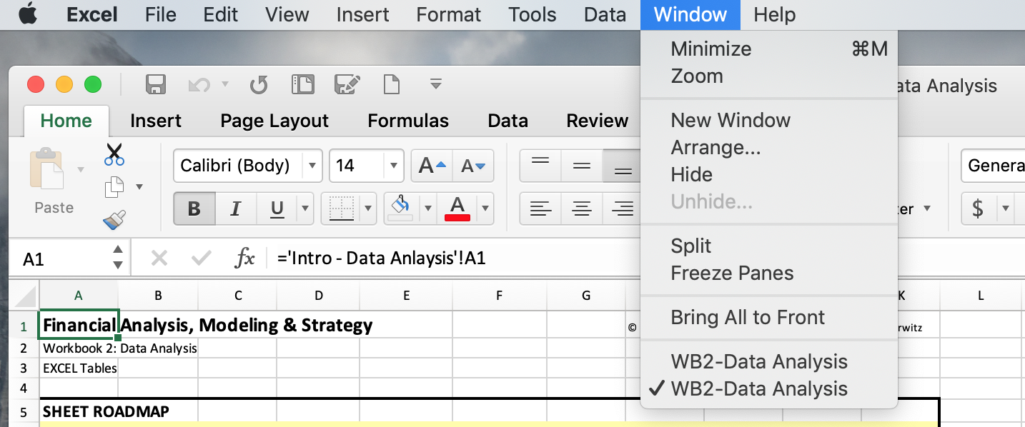
3 | Select the 'New Window' option on the dropdown window to create a new window of the same Workbook.
 | Notice that at the bottom of the 'Window" dropdown menu above that 'WB2-Data Analysis' is shown twice.
4 | Select "Arrange" immediately under the 'New Window' and the "Arrange Windows" dropdown window will appear.
 | 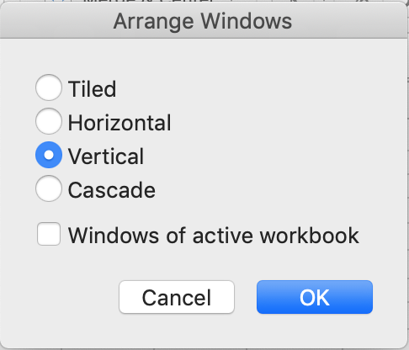
 | You will now see two windows with duplicate copies of the 'EXCEL Tables' Sheet.
5 | On the right side of the screen select the 'DATA Tables' Sheet so that it will appear immediately to the right of the "EXCEL Tables' Sheet.
6 | You are able to select a different Sheet on either side of the screen.

On a Windows Computer
1 | On the View tab, in the Window group, click New Window.
 |  |  |  |  |  | OR | 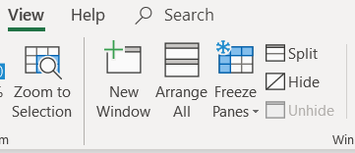
2 | On the View tab, in the Window group, click View Side by Side
 | You will now see two windows with duplicate copies of the 'EXCEL Tables' Sheet side by side.
3 | If you do not see side by side windows, then…
 | On the View tab, in the Window group, click Arrange All
 | Then, click Vertical.
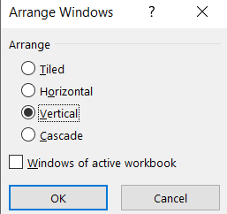

 | You will now see two windows with duplicate copies of the 'EXCEL Tables' Sheet side by side. |  |  |  |  |  |  | .
4 | On the right side of the screen select the 'DATA Tables' Sheet so that it will appear immediately to the right of the "EXCEL Tables' Sheet.
5 | You are able to select a different Sheet on either side of the screen.
6 | Be sure to select the correct Sheets you wish to examine on each window.
7 | In the View menu, you will see several icons to the left of the Switch Windows icon.
 | The second icon allows you to choose synchronous scrolling. Make sure this is unselected for these exercises.
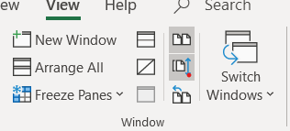

Creating a Table
On the 'DATA Tables' Sheet (which should be on the right side of the screen) you will find data starting in B10.
We are going to use this data to create a table and then perform various Table functions throughout the remainder of this Sheet.
Convert the data in the DATA Tables Sheet to a 'Table':
1 | Click anywhere in the shaded rectangle
2 | Click on the 'Insert' tab above
3 | Select the 'Table' icon that will appear. Excel will automatically select the full range of data.
4 | Create a table by selecting 'OK'. Notice that the table automatically recognized the top row of the table as column headers (names).
Change the format of the table:
1 | Click in any cell in the table and the 'Table' tab will appear (this may already be in view).
 | If you cannot see the Table menu in the title bar, either expand the ribbon (click on '>>') or enlarge the Workbook showing the 'DATA' sheet until it becomes visible.
 | You may then re-size the vertical windows and use the Table Tools menu.
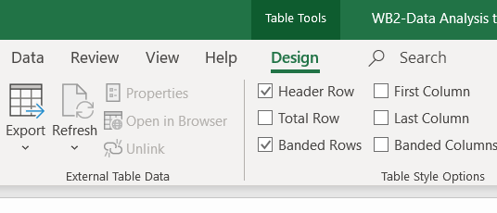

 |  |  |  |  |  | A Windows Computer requires you
 |  |  |  |  |  | click on 'Table Tools' to see the menu

2 | Click on the Table tab (this may already be selected), which may also be called 'Table Tools'.
3 | Select any of the alternate formats that will appear.

Change the name of the table:
While not required, if you are using multiple objects with names (e.g., ranges, tables) it is useful to have a naming convention.
One convenient approach to permit you to quickly locate objects is to name all tables starting with 'TBL'.
Name the table you created 'TBL_Starter'.
1 | Click in any cell in the table and the 'Table' tab will appear.
2 | Click on the Table tab.
3 | Click on the box under 'Table Name' and enter the name, in this case 'TBL_Starter'.

Filtering
Filter the table on the 'DATA Tables' Sheet.
1 | Click on the button in cell B10 containg the column header 'Company'. A dropdown menu will appear.
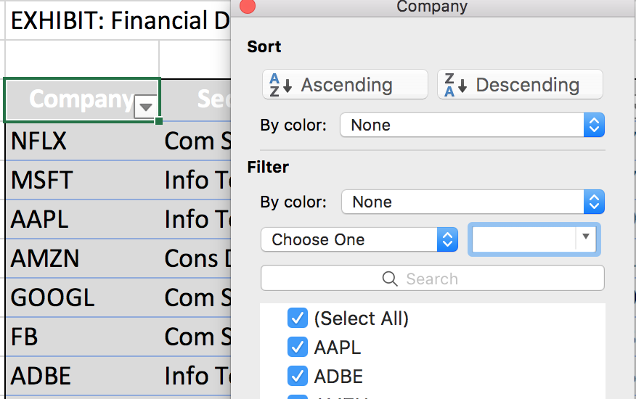
2 | Click on 'Select All' to deselect all the selections.
3 | Click in 'GOOGL' and 'FB' to select only Google (Alphabet) and Facebook. All of the companies besides these two will disappear from the table. |  |  |  |  |  |  |  | Cons Discret | Com Serv | Info Tech
In the yellow cell immediately below, select the 'Sector' that these two companies are in.
 | Com Serv |  |  |  |  |  |  |  |  |  |  | Cons Discret | Com Serv | Info Tech
Filters can be removed by:
 | Click on selected filters and click on 'Clear Filter' in the bottom right of the window that will open.
 | Click on the 'Data' tab and then click on 'Clear' in the tab that appears.

Try another filter:
1 | Clear any selected filters if required.
2 | Click on the button in cell C10 containing the column header 'Sector'. A dropdown menu will appear.
3 | Click on 'Select All' to deselect all of the selections.
4 | Click on 'Info Tech' to select only the Information Technology companies.
In the yellow cell immediately below, enter the number of Information Technology companies in the table.
 | 3

Filter by Info Tech, but do it differently:
1 | Clear any selected filters if required.
2 | Click on the button in cell C10 'Sector'. A dropdown menu will appear.
3 | In the box labeled 'Search' in the dropdown menu enter 'Tech'.
4 | Excel will present all Sectors whose names include the text 'Tech'.
5 | Click on 'Info Tech' from the list of Sectors presented (in this simple example there is only one).
In the yellow cell immediately below, enter the last Information Technology company in the list.
` | ADBE |  |  |  |  |  |  |  |  |  |  | AAPL | ADBE | MSFT | NVDA

Filter numeric fields:
For numeric fields, one can filter based on many conditions such as 'Equal To', 'Less Than', 'Between', 'Top Ten', or 'Above Average'.
Select all companies for which the Equity is greater than $100 billion.
1 | Clear any selected filters if required.
2 | Click on the button in cell G10, containing the column header 'Equity'. A dropdown menu will appear.
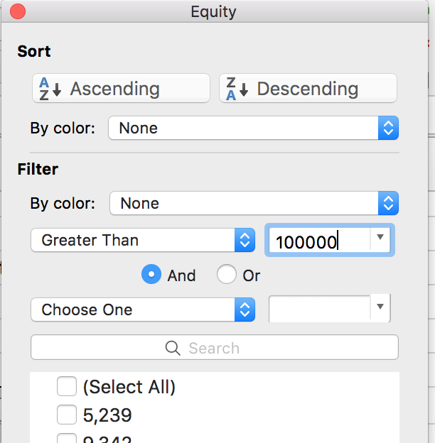
3 | Click on the box labeled 'Choose One' in the dropdown menu and select 'Greater Than'.
4 | Enter '100,000' (the units are in millions such that this is $100 billion) in the box to the right.
 | This will filter out everything except 'AAPL' and 'GOOGL'.
In the yellow cell immediately below, enter the value (not a formula) of the sum of the Net Income of the two companies in the table that have equity greater than $100 billion.
 | 90,267

We will not walk you through it but you can also select by color.

Adding Row(s) or Column(s)
Below is a list of the fiscal year dates of each company in the table.

 | NFLX | 2018-12-31
 | MSFT | 2018-06-30
 | AAPL | 2018-09-30
 | AMZN | 2018-12-31
 | GOOGL | 2018-12-31
 | FB | 2018-12-31
 | ADBE | 2018-11-30

Add a column:
To understand how to add rows we will add the fiscal year date and learn how to filter dates.
1 | Clear any selected filters if required.
2 | In cell H10 enter 'Fiscal Year'. Excel will automatically expand the table.
3 | Because the companies are presented in the same sequence directly above as in the table, copy range C161:C167 on this Sheet to H11:H17 on the 'DATA Tables' Sheet.

Change a date:
1 | For fun, change the GOOGL Fiscal Year date to '12/30/2018'. (Financial analysts really know how to have fun.)

Filter by Fiscal Year date:
You can select specific dates or combinations of dates.
1 | Click on cell H10 (should be named 'Fiscal Year') on the 'DATA Tables' Sheet and a dropdown filtering menu will appear.
2 | Click on the arrow next to the year to expand to months within the year and click on a month to expand to days within the month.
 | (Dates are structured as a hierarchy by year/month/day.)
3 | Notice that 'December' is checked so that all days in the month are included in the filtering.
4 | Click on the arrow to the left of 'December' and the arrow will now face downward and all the days within December will appear.
 | In rare cases (depending on your version of Excel or its configuration) the drop down menu will be blank and not display the days under the month.
 | In this case count the number of days in December without using the dropdown menu to answer the following question.
In the yellow cell immediately below, enter the number of days in December for which data exists.
 | 2
6 | As an analyst you do not want to have bad data in a database. Restore GOOGL's Fiscal Year to '12/31/2018'.

Add a row:
1 | In cells B18:H18 on the 'DATA Tables' Sheet enter the data in gray bellow.
2 | This can be achieved by directly entering the data, cutting and pasting, or writing formulas.

 | Company | Sector | Revenues | Gross Profit | Net Income | Equity | Fiscal Year
 | NVDA | Info Tech | 11,716 | 7,171 | 4,141 | 9,342 | 2019-01-30

Writing a Formula and Auto Copying
You are going to add a coulumn in which you calculate Net Margin.
Net Margin is calculated by dividing Profit by Revenues
Add a column on the 'DATA Table' Sheet with a formula in it:
1 | Click on I10 and enter 'Net Margin'.
2 | Format the range I11 to I17 as '%'.
3 | Click on I11 and enter '='.
4 | Click on F11 and enter '/' will select the Net Income as the numerator of the ratio and introduce the division sign.
5 | Click on D11 to select Revenues as the denominator of the ratio and select 'Return' to complete the formula.
Notice how Excel created the formula and automatically copied it down the row.
What is the Net Margin (the value not a formula) of NVDA?
 | 35%

Sorting
We can also sort a table; sort the companies alphabetically:
1 | Click on B10 and then click on 'Ascending' in the 'Sort' section of the drop down menu.
Let's try something a little more difficult: first sort on 'Sector' and then sort on 'Fiscal Year' (most recent year first):
1 | Click on C10 and then click on 'Ascending' in the dropdown menu (sort Sector).
 | 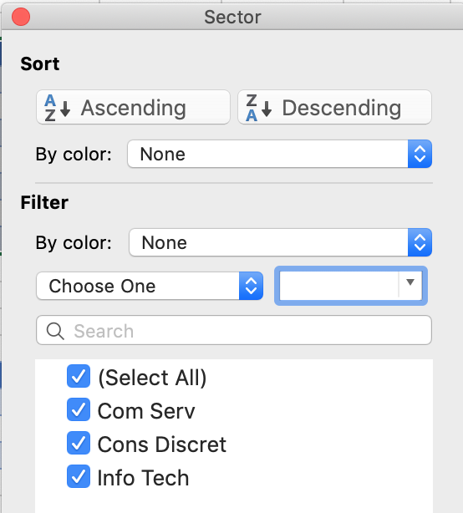
2 | Click on H10 and then click on 'Descending' in the dropdown menu (Sort Fiscal Year).
Note that more advanced sorting functionality is presented in the 'DATA ANALYSIS Budgets' Sheet.

Totals
The data for the remainder of the questions on this Sheet can be found in Row 22 through Row 25 on the 'DATA Tables' Sheet.
1 | Create a table from this data.
2 | Label E22 as 'Margin'.
3 | Calculate Margin in Cell E23 by clicking on D23 followed by '/' and then click on C23.
 | Excel will automatically calculate this formula down.
4 | Format column E as percent ('%').

Calculate totals on selected columns:
1 | Click into the table and select the 'Table' tab that appears
2 | Check the 'Total Row' box that appears. A 'Total' row will appear at the bottom of the table.
3 | Clicking in the 'Total' row of any column will make a selection button appear.
4 | Clicking on that button will make a dropdown menu of alternative types of totals (e.g., Average, Count, Max, Min, Product)
5 | Clicking on one of these types of totals will insert that total in the 'Total' row of the selected column.
 | In rare cases (depending on your version of Excel or its configuration) the automatic extension of a Table may not be supported.
 | If that occurs manually answer the following question.
In the yellow cell immediately below, enter the 'Sum' of the Revenues (the value not a formula) of the three years.
 | 32100

Change the calculation:
The rightmost column, column E (Margin), defaulted to 'Sum'. This does not make sense. Let's change this column to an 'Average'.
1 | Click on E26 and select 'Average' in the dropdown menu.
In the yellow cell immediately below, enter the average Margin (the value not a formula).
 | 13%

Filter the calculation:
These totals use the SUBTOTAL function, which only includes rows that are not filtered (are visible) in its calculation.
1 | Filter the Year column (column B) to exclude 2019.
In the yellow cell immediately below, enter the sum of the Revenues (the value not a formula).
 | 21000

Removing Duplicates
Although we would not have any reason to remove duplicates in the above table, you will in other tables you create.

1 | Create a table of the data in row 31 to row 35 on the 'DATA Tables' Sheet.
2 | Click on any cell in the table and then click on the 'Table' tab that appears.
3 | Click on the 'Remove Duplicate' icon that appears. A list of columns headers will appear. Every column header will be checked.
4 | 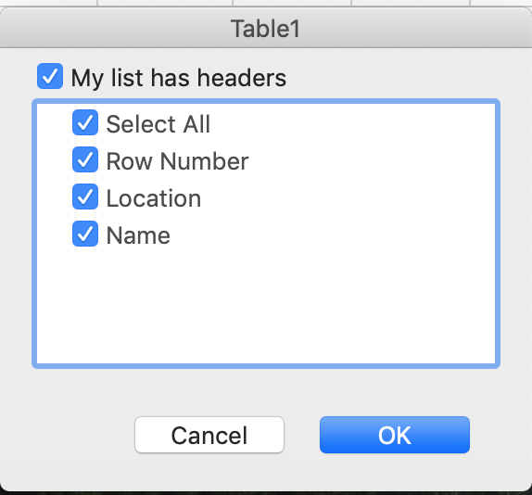 If you were to click on 'OK' at this point all duplicate rows defined by every value in every column being exactly the same will be eliminated.
5 | Uncheck column headers that you do not want to be included in the matching logic on which rows will be deleted.
6 | Only the values of those rows that remain checked will be compared to determine if a row is a duplicate of another row.
7 | If you did delete any rows in exploring remove duplicates use the 'Undo' icon or command to restore the rows.

The following example demonstrates how the logic of Remove Duplicates work.
In each of the following questions you should first return the removed duplicates by selecting the 'Undo' icon in the top ribbon and then enter your answer into the yellow cell.
Select Location and Name - what row numbers are removed?
 | 4 |  |  |  |  |  |  |  |  |  |  | 2&3 | 3&4 | 4 | All
 | 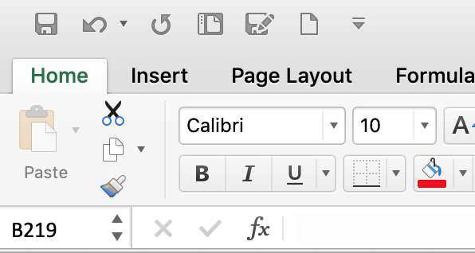
Select Location - what row numbers are removed?
 | 2&4 |  |  |  |  |  |  |  |  |  |  | 2&4 | 3&4 | 1 | All
Select Name - what row numbers are removed?
 | 3&4 |  |  |  |  |  |  |  |  |  |  | 2&3 | 3&4 | 1 | All

Subtotal
Subtotal permits you to add multiple levels of subtotals.
Subtotals cannot be used on Excel tables.
If you want to add subtotals to data in an Excel table the table must be converted to a range.
That is done by selecting the 'Table' tab and then selecting the 'Convert to Range' icon.
Subtotals are created by selecting the 'Data' tab and then selecting the 'Subtotal' icon.
Details in subtotals are presented in 'Data Analysis Budgets'.

EXCEL PivotTables
Strategic Financial Analysis & Modeling |  |  |  |  |  |  | © All rights reserved, 2019, Marianne Wolk & Richard Horwitz
Section: Data Analysis
Workbook 2: Data Analysis
Sheet: EXCEL PivotTables

SHEET ROADMAP
This Entire Sheet is Required Homework

In exercises asking you to enter values calculated in Tables or PivotTables the grading permitted for a reasonable tolerance if you do not provide all of the decimal points.
If you do enter formulas based on the results of the Tables or PivotTable, the results will change as you further modify them and you will be marked as incorrect.

What is a PivotTable?
PivotTable is a tool built into Excel that allows you to summarize large quantities of data quickly and easily.
Given an input table with thousands or even hundreds of thousands of rows, Pivot Tables allow you to extract answers to a series of basic questions about your data with minimal effort.
Pivot tables are used to summarize, sort, reorganize, group, count, total or average data stored in a database.
It allows its users to transform columns into rows and rows into columns. It allows grouping by any data field.

What is the Difference Between an Excel Table and a PivotTable?
An Excel table is basically just a very simple database, consisting of one table. It has data elements (columns) and a set of members having those data elements (rows). It is detailed at the row level.
A PivotTable is a reporting and summation tool that gives you information about an Excel table.
PivotTable comes with PiviotCharts, which permits users to easily create presentation quality charts and graph from the results of the PivotTable.

What can a PivotTable Do?
A PivotTable is an extremely powerful and flexible tool which can support diverse computational tasks.
It is a tool that enables highly unstructured manipulation of data in a table.
However, this Workbook presents how a PivotTable permits a financial analyst to 'explore patterns and relationships'.
In this Workbook we will use PivotTables to:
Analyze broad trends in company financials over time.
Segment companies by maturity (age of company) and sector to explore how these trends vary by segment.
We will also provide an example of direct to consumer behavior (DTC) to demonstrate how PivotTables can be used to analyze consumer behavior.

What is a PivotTable?
A PivotTable is a secondary table created from the original table that permits data to be easily sliced, diced and aggregated.
It is a table summarizing data in a more extensive table.
Analysts are able to slice (select a subset of data) and dice (choose attributes) and pivot using Excel's simple dropdown menus.
The Pivot Table presents subsets of data in a more meaningful and accessible way.
It often includes summary statistics such as a mean or maximum for a data sub group.
A PivotTable permits you to name and define calculation and aggregates buckets of data to perform the calculation.
Pivoting does not change the data in the Table, it simply presents it differently.
Excel PivotTable capabilities also includes 'PivotChart', sophisticated but simple, integrated charting (graphing) capabilities.

It is an exceptionally flexible tool used by Data Analysts and Financial Analysts.
Examples of PivotTable uses are:
- the CEO might look at a table of all of the sales of its merchandise and use the PivotTable to identify top salespeople by product
- an investment manager might look at the data for the S&P 500 to identify sectors and subsectors with the best performance based on
selected variables

Viewing Multiple Sheets
You are going to want to complete this Sheet with the 'DATA PivotTables' Sheet arranged to the right.
This is the vertical placement we selected using the View Arrange tool in the 'EXCEL Tables' Sheet.
To accomplish this, see instructions on Row 34 of the 'EXCEL Tables' Sheet.
For this assignment, select 'Excel PivotTables' in one window and 'DATA PivotTables' in the second window.
Make sure you have not selected Synchronous Scrolling in the View options.

Creating a PivotTable
In this section, we explain how to create a PivotTable from a 'Data Source'
The most commonly used Data Source is an existing Excel Table. In this case the name of the table can be entered as the Data Source.
We focus on creating a PivotTable from an Excel Table below.
You may refer to the prior Sheet, 'EXCEL Tables', for a refresh of how to create a Table.
Using an Excel Table to create a PivotTable has a number of advantages which we will not discuss here.
Any range of data as long as each of the columns in the range has an appropriate title (name) can be used as a Data Source to create a PivotTable.
To create a PivotTable from a range select 'PivotTable' in the dropdown menu from the 'Insert' tab above.
The remainder of the instructions are the same as presented below.

Starting in row 11 of the 'DATA PivotTables' Sheet is an Excel Table with data on six companies in two sectors representing four industries.
For each company the data includes two accounts (Revenues and Net Income in columns G and H) for two years.
Notice that the data for 2017 and 2018 are displayed in two different rows.

The PivotTable is created from this Table by following these steps:
1 | Click anywhere in the table and the 'Table' tab that will appear. It will be the last tab, displayed in color and underlined, Table.
 | Sometimes it may be hidden because you have shrunk the workbook to view two side by side vertical windows.
 | If the Table menu tab isn't visible, you can also right click to find the Table commands on the drop down menu.
2 | Click on the 'Table' tab in the Excel title bar (may say 'Table Tools' in some versions of Excel).
3 | Click on 'Summarize with PivotTable'
4 | Under 'Choose where to place the PivotTable' select 'Existing worksheet'.
 | Excel will default to 'New Worksheet', which in most cases will be fine, but we have protected the structure of this Workbook (including adding Sheets) so doing so will create an error.
5 | Click on cell B67 on the 'DATA PivotTables' sheet to place the PivotTable there.
6 | Click on 'OK'
You will see a blank PivotTable (left) and the drag and drop fields in the 'PivotTable Fields' menu (right).
 | Boxes | Function
 | Field Name | List of all of the 'fields' (columns) in the table. Drag and drop a field into the other four boxes to create the PivotTable.
 | Filters | Placing a field in this box permits users to filter on the field. In the example above, users can select specific years.
 | Rows | Data will be aggregated and presented in rows based on the hierarchy of fields in this box.
 | Columns | Data will be aggregated and presented in columns based on the hierarchy of fields in this box.
 | Values | The body of the PivotTable will present the fields selected in this box.

Using a PivotTable
The below examples will present how this functionality is accessed and used.

Let's populate the PivotTable in row 67on the 'DATA PivotTables' sheet.
1 | We are using the blank PivotTable that we created.
 | If you do not see the PivotTables Fields menu (right), click in the PivotTable (starting in row 67) and the menu will pop up again.
2 | Drag and drop 'Year' from the list of field names to the 'Columns' box.
3 | Drag and drop 'Ticker' from the list of field names to the 'Rows' box.
4 | Drag and drop 'Revenues' from the list of field names to the 'Values' box.
In the yellow cell immediately below, enter the value (not a formula) of the 'Grand Total' of the 2018 Column from the PivotTable above.
 | 325,983
Let's edit the data in the PivotTable you created (row 67).
1 | Click on the down arrow next to 'Row Labels' (column B) and deselect 'FDX' by unchecking the box. (Some versions of Excel require you click OK.)
 | Notice the down arrow now becomes a filter symbol.
In the yellow cell immediately below, enter the value of (not a formula) of the 'Grand Total' of the 2018 Column.
 | 256,290
Please do not replace 'FDX' (keep it unselected) to answer the following questions.
Let's change the PivotTable you created (row 67).
1 | If you do not see the PivotTables Fields menu (right), click in the PivotTable (starting in row 67) and the menu will pop up again.
2 | Drag and drop 'Sector' from the list of field names and locate it above 'Ticker' in the 'Rows' Box.
 | If 'Ticker' ends up above 'Sector' simply drag 'Ticker' below it.
 | We are establishing a hierarchy in which the sector is at the top and the ticker is subordinate to sector.
In the yellow cell immediately below, enter the value of (not a formula) of the subtotal for 'Industrials' in 2018 Column. Subtotals are bold and on top of each line item.
 | 157,602

Adding Values
Add a new field to be totaled:
1 | If you do not see the PivotTables Field menu (upper right), click in the PivotTable (starting in row 67) and the menu will pop up again.
2 | Drag and drop 'Net Income' from the list of field names to the 'Values' box. Excel will rename this field 'Sum of Net Income' in the 'Value' box.
Change field settings
You will now change to Total in column D from "Sum of Net Income' to 'Max of Net Income',
1 | Click on 'Sum of Net Income' in the 'PivotTable Fields' commands within the Values box.
2 | Click on the 'I' next to 'Sum of Net Income' (or in some versions of Excel you will see a down arrow and need to click 'Sum of Net Income')
3 | This opens a list of commands and you should click 'Summarize by Value' (or click 'Value Field Settings' first).
4 | Click on 'Max' from the dropdown.
5 | Click on 'OK' if needed.
The values in column D of the PivotTable above has now changed from 'Sum of Net Income' to 'Max of Net Income'.
In the yellow cell immediately below, enter the value of (not a formula) of the largest value of 'Max of Net Income' within 'Consum Stap' (look at each company and each year).
 | 15,411
Hint: Excel will select the 'Net Income' in each year with the largest value in bold.

Filtering PivotTables
The PivotTable on Row 32 on the 'DATA PivotTables' Sheet was created from a Table we used earlier.
Go to this PivotTable and click into it to see the PivotTable Fields menu pop up on the right.

Filtering a PivotTable
We have already dragged and dropped 'Year' from the 'Field Name' box to the 'Filters' box.
1 | Click on the arrow in C30 and deselect (uncheck the box) '2017' leaving '2018' as the only selected year. You may need to click OK.
In the yellow cell immediately below, enter the value of (not a formula) of the subtotal for 'Consum Stap' of the 2018 Column.
 | 98,688

Totals and Collapsing Details
The PivotTable on Row 41 on the 'DATA PivotTables' Sheet was created from a PivotTable we used earlier.
Click into this PivotTable to bring up the PivotTable Fields menu on the right.

Control totals
You can control whether totals are calculated for columns and/or rows.
1 | Click anywhere in the table above and the 'Design' tab will appear.
2 | Click on the 'Design' tab. This is located in the Excel ribbon.
3 | Click on the 'Grand Totals' icon and a menu will appear.
4 | Click on 'On for Columns Only' in the menu.

Expand/collapse rows
You are able to expand or collapse the display of rows
1 | Click on the '-' to the left of 'Industrials' to collapse the list of Industries.

Change field settings
You can also control what totals are presented for each row.
1 | Click in the PivotTable to make the 'PivotTable Fields' menu to appear.
2 | Restore Grand Totals (On for Rows & Columns').
3 | Click on the 'i' to the right of 'Sum of Revenues' in the 'Values' box (lower right) and another menu will appear.
 | In some versions of Excel you will see a down arrow; in this case, click 'Sum of Revenues' and choose Value Field Settings.
 | 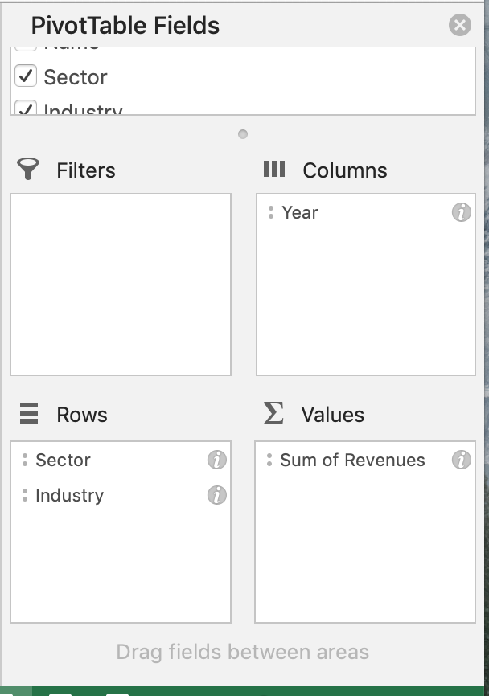
4 | Click on 'Average' in this menu.
 | 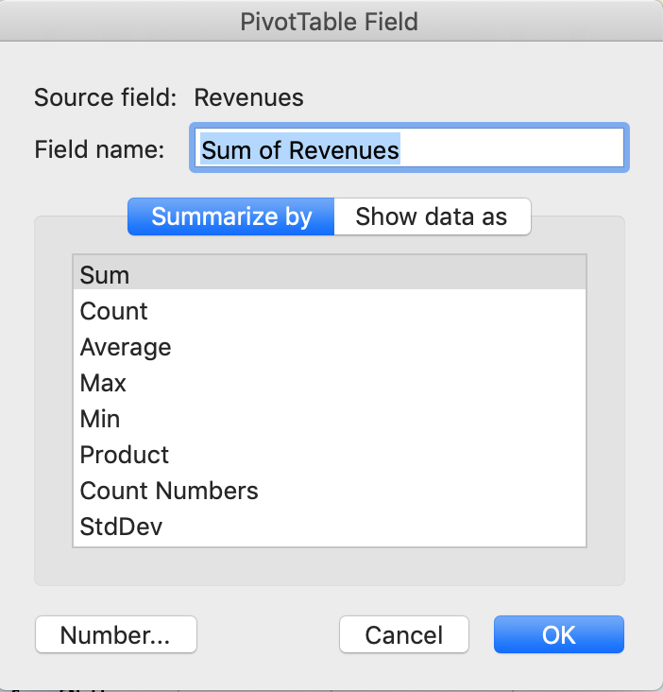
5 | Click on 'OK' in the bottom right.
In the yellow cell immediately below, enter the value of (not a formula) of the 'Average of Revenues' for 'Beverages' for 'Grand Total' (2017 and 2018 combined).
 | 67,266

Excel has bucketed each row of the source data into a row in the PivotTable.
Double-clicking on any cell in the PivotTable will result in Excel creating a new Sheet exploding all of the related rows from the source data.
We cannot demonstrate this here because the protection of the Workbook will not permit adding a new Sheet.

Adding Calculated Columns
The PivotTable on Row 55 on the 'DATA PivotTables' Sheet was created from the original Table we used earlier.
We have dragged and dropped both 'Sector" and 'Year' from the 'Field Name' box to the 'Rows' box.

Add calculated columns
You are now going to add a column that calculates the Net Margins of each row.
1 | Click on the PivotTable and the 'PivotTable Analyze' tab appears (simply 'Analyze' in the ribbon in some versions of Excel).
2 | Click on the PivotTable 'Analyze' tab.
3 | Click on 'Fields, items, and Sets' and a dropdown menu will appear.
4 | Click on 'Calculated Field…' in the dropdown menu.
 | In some versions of Excel, you may need to double click on 'Calculated Field'.
5 | In the 'Insert Calculated Field' dropdown menu change the 'Name:' to 'Net Margin'.
6 | Click in the 'Formula' box and delete anything that might be there as a default but leave the '=' sign. (The default may read 'Field1'.)
7 | In the 'Fields' box below (inside the Calculated Field menu) select 'Net income' and click on 'Insert Field' (button below the field). 'Net Income' will appear in the 'Formula' box.
8 | In the 'Formula' box enter a '/' for division (after 'Net Income').
9 | In the 'Fields' box select 'Revenues' and then click on 'Insert Field' button.
10 | The 'Formula' box should now say 'Net Income / Revenues'.
10 | Clicking on 'OK' will create a new column named 'Sum of Net Margin' equal to Net Income/Revenues.

 | PivotTables 'Sum of' ratios'
 | When a PivotTable aggregates ratios it calls it 'Sum of…' despite the fact that it is not actually summing the constituent ratios.
 | The 'Sum of Net Margin' is actually the Net Margin calculated based on the 'Sum of Revenues' and 'Sum of Net Income'.
 | When the PivotTable aggregates ratios across rows, it separately sums the numerators and the denominators for all selected rows and then calculates the ratio of the sums.
 | In the below example, the calculated 'Sum of Net Margin' would be 3.3% (shaded below) because Company B was significantly larger and had a much bigger influence.

 |  |  | Revenues | Net Income | Net Margin
 |  | Company A | 100 | 10 | 10.0%
 |  | Company B | 500 | 10 | 2.0%
 |  | Total | 600 | 20 | 3.3%

 | However, the average Net Margin was 6% (average of 10% and 2%) and the actual sum of the Net Margins was 12%.
 | The best way to aggregate ratios is typically to separately sum the numerators and denominators, and then calculate the ratio of these two sums.
 | There are other times when ratios are aggregate by averaging the ratios.
 | For example, you would generally average Price/Earnings (P/E) ratios across companies in an industry to create an average Price/Earnings (P/E) ratio for that industry.

Below are the financial results of two companies over two years.

 |  |  | Revenues | Profit | Profit Margin
 | Company A | 2021 | 1000 | 100 | 10%
 | Company B | 2021 | 10 | 5 | 50%
 | Company A | 2020 | 1000 | -150 | -15%
 | Company B | 2020 | 20 | 5 | 25%
 | Total |  | 2030 | -40

Calculate the Average Profit Margin (ratio of the sums) by dividing the Total of the Profits by the Total of the Revenues
 | -2%
Calculate the Average Profit Margin (average of the ratios) by averaging the Profit Margins above.
 | 18%
There is a significant difference. Which is correct?
The above example demonstrates two Data Integrity issues.
When aggregating ratios, the contribution of data points in which the denominator is very small is disproportional.
The 50% Profit Margin of Company B in 2021 overwhelms the average of the ratios.
When aggregating ratios, the contribution of data points in which either the numerator is negative resulting in a negative ratio compromises the aggregate results.
The -15% Profit Margin of Company A in 2020 is troublesome.
The answer is that calculating the ratio of the sums is generally the correct approach.
There are some cases where the average of the ratios are used.
For example, some stock indices are calculated by 'equal weighting'.
The price-to-earnings ratio for the Russell 1000 Index (equal weighted index) is calculated as the average of the ratios rather than the ratio of the sums.
However, in this ratio neither the numerator nor denominator can be negative and the selection process for stock constituency avoids dramatic differences in size.
When calculating ratios, PivotTables uses the standard approach first aggregating the individual columns to the subtotal and total levels and then applying the logic of the calculation.

Format columns
We need to format the new column for Net Margin as a percentage.
1 | Click on the column labeled 'Sum of Net Margin' and the 'PivotTable Analyze' tab appears.
2 | Click on 'PivotTable Analyze'
3 | Click on the 'Field Settings' icon and 'Number' on the dropdown will appears.
 | In some versions of Excel, 'Field Settings' may be grouped with 'Active Field' in the Excel ribbon and you will see 'Number Format'.
4 | Click on 'Percentage' and select 'OK' twice.
In the yellow cell immediately below, enter the value of (not a formula) of the 'Sum of Net Margin' for 'Industrials' .
 | 6%

PivotChart is an easy-to-use, integrated charting capability
Excel includes PivotChart, a simple and flexible tool to create charts as an integral part of PivotTables.

PivotChart Example
1 | Click anywhere in the PivotTable in B55 to D62 on the 'DATA PivotTables' Sheet and the 'PivotTable Analyze' tab will appear.

2 | On the 'PivotTable Analyze' tab click on 'PivotChart' (red circle above) and a chart of the data in the table will automatically be created.

Subsequent examples of PivotCharts will be presented in Income Statement (Workbook 4).

Structuring the Source Data
One challenge in using Excel Tables and PivotTables is structuring the data in a way in which it can be effectively accessed.
Structuring data such that it can be aggregated and for which calculations can be defined is a critical part of data analysis.
We will later present 'Reference Functions', which are functions that can pull disparate data into the data structure you have defined.

Compare the three tables below:
In the first table the Year and each of the fields are separate columns.
This structure enables:
Aggregation (by year, sector or industry) across multiple fields
Calculating a new field such as Net Margin (Net Income / Revenues)

 | Ticker | Name | Sector | Industry | Year | Revenues | Net Income
 | DAL | DELTA | Industrials | Airlines | 2018 | 44,438 | 3,935
 | DAL | DELTA | Industrials | Airlines | 2017 | 41,138 | 3,205
 | UAL | UNITED | Industrials | Airlines | 2018 | 41,303 | 2,129
 | UAL | UNITED | Industrials | Airlines | 2017 | 37,784 | 2,144
 | FDX | FEDEX | Industrials | Air Freight | 2018 | 69,693 | 540
 | FDX | FEDEX | Industrials | Air Freight | 2017 | 65,450 | 4,572
 | UPS | UPS | Industrials | Air Freight | 2018 | 71,861 | 4,791
 | UPS | UPS | Industrials | Air Freight | 2017 | 66,585 | 4,905
 | PG | P&G | Consum Stap | Househld Prod | 2018 | 66,832 | 9,861
 | PG | P&G | Consum Stap | Househld Prod | 2017 | 65,058 | 15,411
 | KO | COCA-COLA | Consum Stap | Beverages | 2018 | 31,856 | 6,476
 | KO | COCA-COLA | Consum Stap | Beverages | 2017 | 35,410 | 1,283

The fact that each field is a separate column enables it to be aggregated, manipulated, and incorporated into calculating a new field.

In the second table the Year is a column but there is a 'Field' column defining what data is in the 'Data' column.
This structure does not enable:
Aggregation (by year, sector or industry) across multiple fields
Calculating a new field such as Net Margin (Net Income / Revenues)

 | Ticker | Name | Sector | Industry | Year | Field | Data
 | DAL | DELTA | Industrials | Airlines | 2018 | Revenues | 44,438
 | DAL | DELTA | Industrials | Airlines | 2017 | Revenues | 41,138
 | UAL | UNITED | Industrials | Airlines | 2018 | Revenues | 41,303
 | UAL | UNITED | Industrials | Airlines | 2017 | Revenues | 37,784
 | FDX | FEDEX | Industrials | Air Freight | 2018 | Revenues | 69,693
 | FDX | FEDEX | Industrials | Air Freight | 2017 | Revenues | 65,450
 | UPS | UPS | Industrials | Air Freight | 2018 | Revenues | 71,861
 | UPS | UPS | Industrials | Air Freight | 2017 | Revenues | 66,585
 | PG | P&G | Consum Stap | Househld Prod | 2018 | Revenues | 66,832
 | PG | P&G | Consum Stap | Househld Prod | 2017 | Revenues | 65,058
 | KO | COCA-COLA | Consum Stap | Beverages | 2018 | Revenues | 31,856
 | KO | COCA-COLA | Consum Stap | Beverages | 2017 | Revenues | 35,410
 | DAL | DELTA | Industrials | Airlines | 2018 | Net Income | 3,935
 | DAL | DELTA | Industrials | Airlines | 2017 | Net Income | 3,205
 | UAL | UNITED | Industrials | Airlines | 2018 | Net Income | 2,129
 | UAL | UNITED | Industrials | Airlines | 2017 | Net Income | 2,144
 | FDX | FEDEX | Industrials | Air Freight | 2018 | Net Income | 540
 | FDX | FEDEX | Industrials | Air Freight | 2017 | Net Income | 4,572
 | UPS | UPS | Industrials | Air Freight | 2018 | Net Income | 4,791
 | UPS | UPS | Industrials | Air Freight | 2017 | Net Income | 4,905
 | PG | P&G | Consum Stap | Househld Prod | 2018 | Net Income | 9,861
 | PG | P&G | Consum Stap | Househld Prod | 2017 | Net Income | 15,411
 | KO | COCA-COLA | Consum Stap | Beverages | 2018 | Net Income | 6,476
 | KO | COCA-COLA | Consum Stap | Beverages | 2017 | Net Income | 1,283

In the third table there is a column for each separate combination of field and year
This structure does not enable:
Any aggregation by year.
Aggregation (sector or industry) across multiple fields
Calculating a new field such as Net Margin (Net Income / Revenues)

 | Ticker | Name | Sector | Industry | Revenues 2017 | Net Income 2017 | Revenues 2018 | Net Income 2018
 | DAL | DELTA | Industrials | Airlines | 41,138 | 3,205 | 44,438 | 3,935
 | UAL | UNITED | Industrials | Airlines | 37,784 | 2,144 | 41,303 | 2,129
 | FDX | FEDEX | Industrials | Air Freight | 65,450 | 4,572 | 69,693 | 540
 | UPS | UPS | Industrials | Air Freight | 66,585 | 4,905 | 71,861 | 4,791
 | PG | P&G | Consum Stap | Househld Prod | 65,058 | 15,411 | 66,832 | 9,861
 | KO | COCA-COLA | Consum Stap | Beverages | 35,410 | 1,283 | 31,856 | 6,476

DATA ANALYSIS Non-GAAP
Strategic Financial Analysis & Modeling |  | © All rights reserved, 2019, Marianne Wolk & Richard Horwitz
Section: Data Analysis
Workbook 2: Data Analysis
Sheet: DATA ANALYSIS Non-GAAP

SHEET ROADMAP
This entire Sheet is Required Homework.

Viewing Multiple Sheets
You are going to want to complete this Sheet with the 'DATA Non-GAAP' Sheet arranged to the right.
To accomplish this, see instructions on Row 34 of the 'EXCEL Tables' Sheet.
Hint: Under 'Choose where to place the PivotTable' Excel will default to 'New Worksheet', which in most cases will be fine, but we have protected the structure of this Workbook (including adding Sheets) so doing so will create an error.

Analyzing Non-GAAP reporting
You will analyze a larger database of more than 4000 rows, each row representing one of the last 10 years of the 400+ S&P 500 ex Financial companies.
In addition to the ticker, company name, sector, industry and year each row contains both the GAAP and Non-GAAP Net Income to Common and Revenues of the company for the fiscal year.
We will discuss Non-GAAP financial data in detail in Income Statement (Workbook 4) but at a high level they are alternative financial data provided by companies that do not conform to Generally Accepted Accounting Standards (GAAP).
In other words, they are the company's adjustments to GAAP reported financials.
The objective here is to analyze the frequency and magnitude of adjustments made.
The results of this data analysis will be put in context in the 'ACCOUNTS Non-GAAP' Sheet of Income Statement (Workbook 4).

Creating a Pivot Table
In this case, you are going to directly create a PivotTable from the data without converting the data into a Table.
1 | Click anywhere in the data on the 'DATA Non-GAAP' Sheet.
2 | Click on the 'Insert' tab and select 'PivotTable' and the 'Create PivotTable' window will appear.
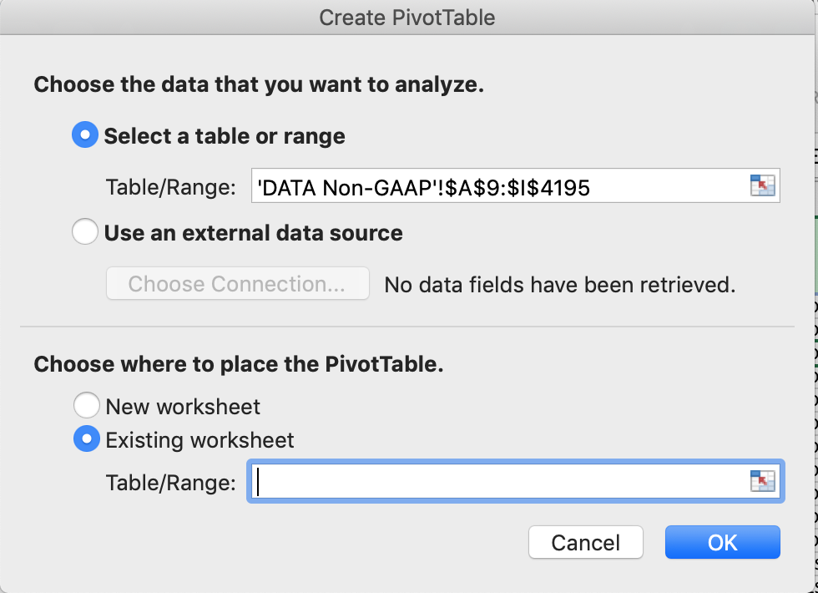
4 | Under 'Choose where to place the PivotTable' select 'Existing worksheet'.
 | Hint: Excel will default to 'New Worksheet', which in most cases will be fine, but we have protected the structure of this Workbook (including adding Sheets) so doing so will create an error.
5 | Click on cell M10 on the 'DATA Non-GAAP' to place the PivotTable there.
6 | Click on 'OK' and the 'PivotTables Fields' window will open.

Calculating 'Calculated Fields'
1 | Click on cell M10 on the 'DATA Non-GAAP' and the 'PivotTable Analyze' tab appears.
2 | Click on the 'PivotTable Analyze' tab.
3 | Click on 'Fields, items, and Sets' and a dropdown menu will appear.
4 | Click on 'Calculated Field…' in the dropdown menu.
5 | In the 'Insert Calculated Field' dropdown menu change the 'Name' to 'GAAP Net Margin'.
6 | Click in the 'Formula' box and delete anything that might be there as a default.
7 | In the 'Fields' box select 'Net income to Common GAAP' and click on 'Insert Field' (button below the field). 'Net Income' will appear in the 'Formula' box.
8 | In the 'Formula' box enter a '/' for division (after 'Net Income').
9 | In the 'Fields' box select 'Revenues' and then click on 'Insert Field' button.
10 | The 'Formula' box should now say 'Net Income / Revenues'.
11 | Clicking on 'OK' will create a new column named 'Sum of GAAP Net Margin' equal to Net Income to Common GAAP/Revenues.
...

DATA ANALYSIS Budgets
...
In this case we are not going to use the Table capability that was presented in the 'EXCEL Tables' Sheet.
The 'Subtotal' capability does not work with Excel Tables.

Sorting the Data
To be able to use the Subtotal capability the data must be sorted in the sequence of the fields used to define the subtotal
The table on 'DATA Budgets' is currently sorted by 'Salesperson'
To be able to create subtotals at both the 'Region' and 'Office' levels we need to sort the data by region/office.
1 | Click anywhere within the data range of the data to be sorted on the 'DATA Budgets' Sheet. Notice Excel automatically selects the full dataset.
2 | Click on the 'Sort' icon on the 'Data' tab.

3 | A 'Sort' dropdown menu will appear.
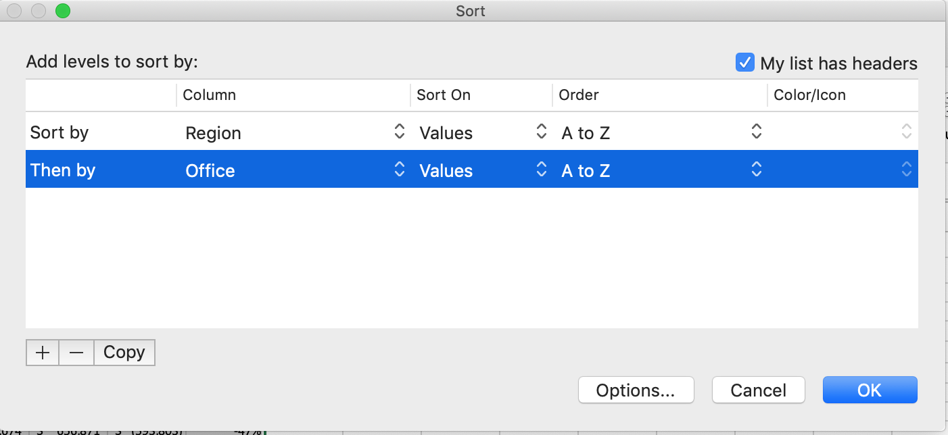
4 | Next to the 'Sort by' select the highest level of the sort hierarchy, in this case 'Region'.
5 | Add a second level of the sort hierarchy by clicking on the '+' sign (bottom left above).
6 | Next to the 'Then by' select the second level of the sort hierarchy, in this case 'Office'.
7 | If you want to alphabetize 'Salesperson' within office select 'Salesperson as the third level of the sort hierarchy.
8 | Select 'OK' in the bottom right corner of the Sort window.
Notice that in the 'Order' column of the Sort window you can select the sort sequence of each sort key.
Sorting data is useful in many instances, particularly when doing a 'binary search' in reference functions using the MATCH or VLOOKUP functions - Forecasting (Workbook 8).

Creating the Subtotals
Transform the data on the 'DATA Budgets' Sheet as follows:
1 | Click anywhere within the data and the 'Data' tab select 'Subtotal'. A 'Subtotal' pop-up window will appear.
 | 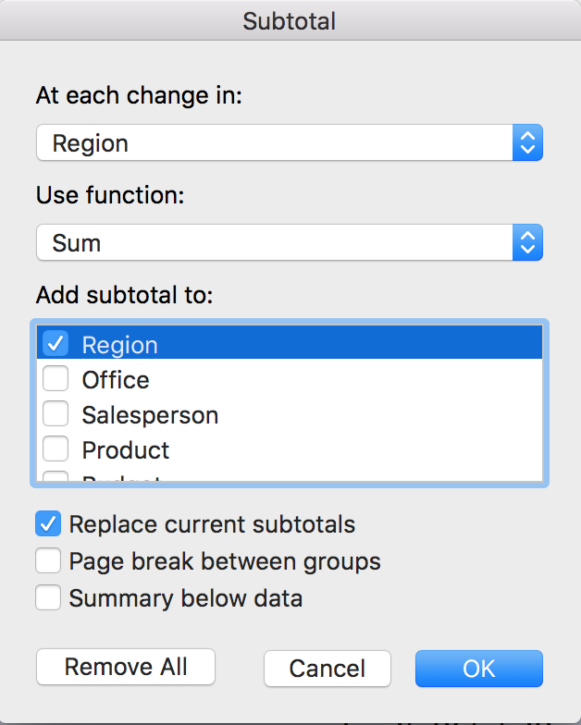
2 | Select 'Region' in the 'At each change in:' box.
3 | Select 'Sum' in the 'Use function:' box.
4 | In the 'Add subtotal to:' box select 'Budget', 'Actual', 'Variance' and 'Pct Variance'.
5 | Check 'Replace current subtotals' if it is not checked and click on 'OK' at the bottom of the pop-up window.
6 | Repeat this step, this time selecting 'Office' in the 'At each change in:' box and deselecting 'Replace current subtotals'.
You should now have a table with subtotals by Office subordinate to subtotals by Region.
Enable filtering of the table by clicking anywhere within the table and in the 'Data' tab selecting 'Filter'.

Analyzing the Data
...
Who would you pick based on the most favorable dollar 'Variance'?
 | Amelia

Who would you pick based on the highest 'Actual' sales?
 | William

Which way do you think would be the best criteria for selecting the best candidate?
 | Highest Percent Variance

How many of the salespeople were below budget?
Filter on Variance less than zero.
 | 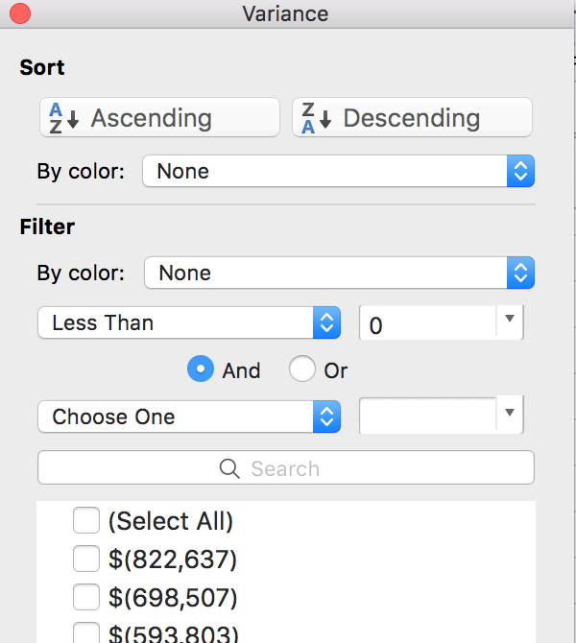
 | 16

How many sales people in South region were below budget?
 | 6

Which salesperson sold the most product A?
Select product A and look by salesperson.
 | William

For which product were the nationwide sales behind budget?
...

